Oppgave 7
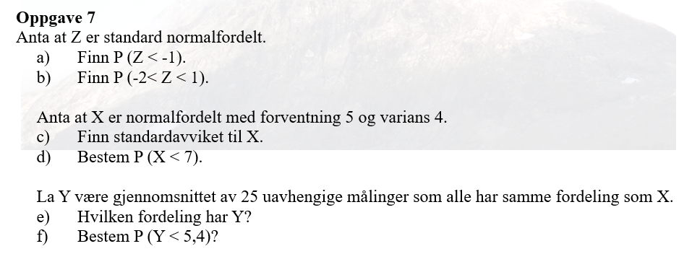
Z~N(0,1)

a) P(Z<-1)=P(Z≤-1)= | 0.159
P(-2<Z<1)=P(Z≤1)- P(Z≤-2)= |  | 0.819

c) X~N(5, 2), fordi SD(X)=rot(Var(X))=rot(4)=2
d) P(X<7)=P(X≤7)= | 0.841

e) Y r normalfordelt, E(Y)=E(X)=5, SD(Y)=SD(X)/rot(25)= |  |  | 0.4
Y~N(5, 0.4)
f) P(Y<5,4)=P(Y≤5,4)= | 0.841

