Oppgave 3
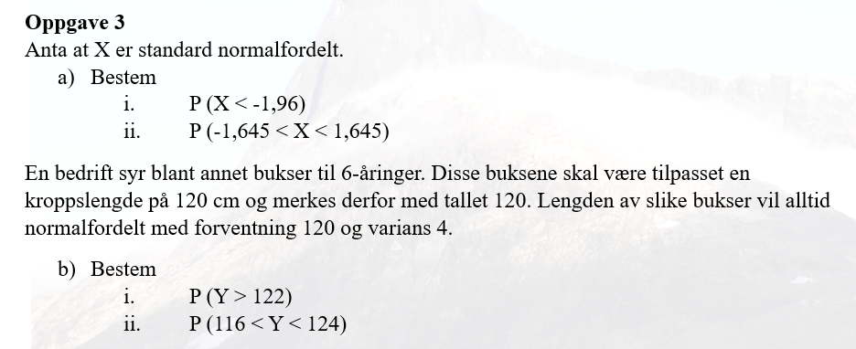
a) X er standard normalfordelt:
X~N(0,1)
P(X<-1.96)=P(X≤-1,96)= | 0.025
P(-1,645<X<1,645)=P(X≤1,645)-P(X≤-1,645)= |  |  | 0.900

b) Y~ N(120, 4)
P(Y>122)=1- P(Y≤122)= | 0.309
P(116<Y<124)=P(Y≤124)-P(Y≤116)= |  | 0.683

