Oppgave 26
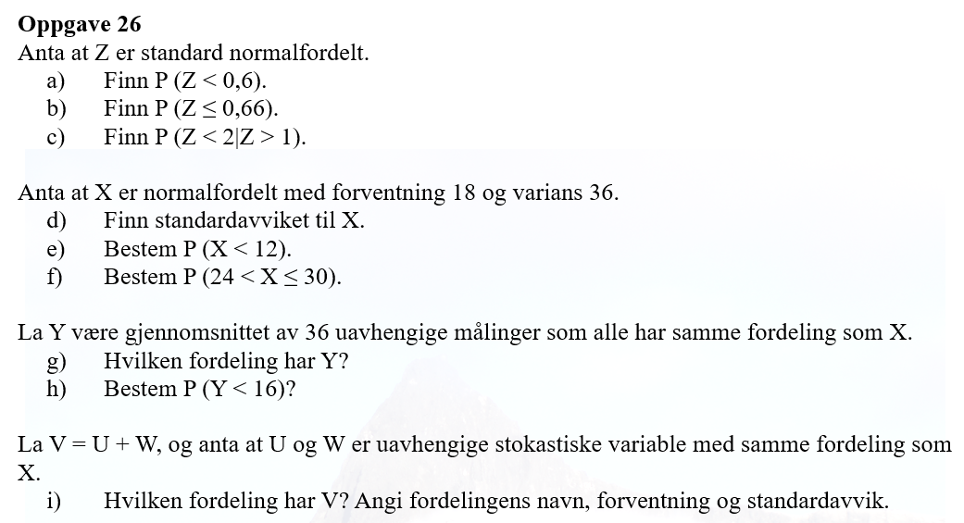
z~N (0, 1)
a) P(Z<0,6)=P(Z≤0,6)= | 0.726
b) P(Z≤0,66)= | 0.745
$$P\left(Z<2 | Z>1\right)=\frac{P(Z<2∩Z>1)}{P(Z>1)}=\frac{P(1<Z<2)}{P(Z>1)}=\frac{P\left(Z≤2\right)−P(Z≤1)}{1−P(Z≤1)}=$$
c)
 |  |  | 0.857

d) X~N(18, 6)
SD(X)=rot(Var(X))= | 6
e) P(X<12)=P(X≤12)= | 0.159
f) P(24<X≤30)=P(X≤30)-P(X≤24)= |  | 0.136

g) E(Y)=E(X)=18
SD(Y)=SD(X)/rot(36)= | 1
Y~N(18,1)
h) P(Y<16)=P(Y≤16)= | 0.023

i) U~N(18,6) og W~N(18,6)
E(V)=E(U)+E(W)=18+18=36
Var(V)=Var(U)+Var(W)=36+36=72
SD(V)=rot(Var(V))= | 8.5
V~N(36, 8.5)

