Oppgave 20
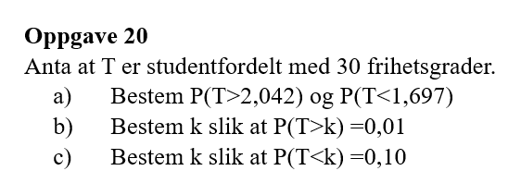
T~t_30
a) P(T>2,042)=1-P(T≤2,042)= |  | 0.025
P(T<1,697)=P(T≤1,697)= |  | 0.950

b) P(T>k)=0,01
k= | 2.457

s) P(T<k)=0,1
k= | -1.31

