Oppgave 15
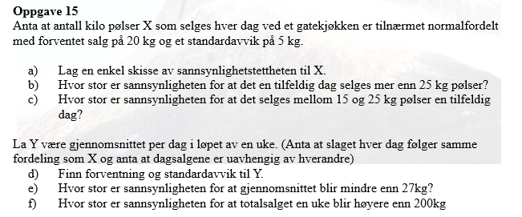
a)
X~N(20; 5)
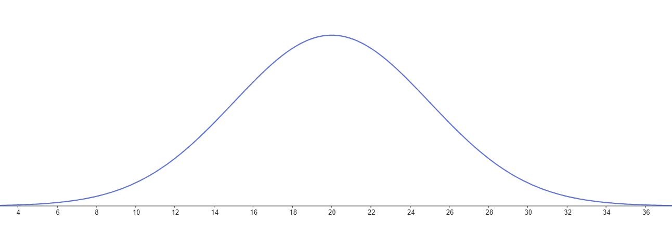

b) P(X>25)=1-P(X≤25)= | 0.159
c) P(15<X<25)=P(X≤25)-P(X≤15)= |  | 0.683
d) Y~ N(20, 5/rot(7))
e) P(Y<27)=P(Y≤27)= | 0.9999
f) S=X_1+ X_2+X_3+X_4+X_5+ X_6+X_7
E(S)=20+20+20+20+20+20+20=140
Var(S)=25+25+25+25+25+25+25=175
SD(S)=rot(Var(S))= | 13.2
S~N(140, 13.2)
P(S>200)=1-P(S≤200)= | 2.9E-06
$$P\left(S>200\right)≈0,000003$$

