Oppgave 13
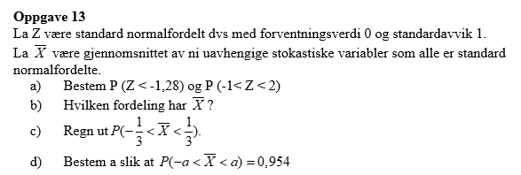
Z~N(0, 1)
a) P(Z<-1,28)=P(Z≤-1,28)= |  | 0.100
P(-1<Z<2)=P(Z≤2)-P(Z≤-1)= |  | 0.819
$\overline{X}\sim N(0, \frac{1}{\sqrt{9}}\text{) }$
b)
$$P\left(−\frac{1}{3}<\overline{X}<\frac{1}{3}\right)=P\left(\overline{X}≤\frac{1}{3}\right)−P\left(\overline{X}≤−\frac{1}{3}\right)=$$
c) |  |  | 0.683

$$P\left(−a<\overline{X}<a\right)=0,954$$
d)
$$P\left(0<\overline{X}<a\right)=0,477$$

$$P\left(0<\overline{X}<a\right)=P\left(\overline{X}≤a\right)−P\left(\overline{X}≤0\right)=0,477$$

P(X ̅≤0)= | 0.5
P(X ̅≤a)=0,477+0,5=0,977
a= | 0.665

