Oppgave 12
Z~N(0,1)
a) P(Z<1,5)=P(Z≤1,5)= |  | 0.933
b) P(-1,96<Z<2,326)=P(Z≤2,326)-P(Z≤-1,96)= |  |  |  | 0.965

c) SD(X)=rot(Var(X))=rot(49)=7
X~N(170, 7)
d) P(156<X<177)=P(X≤177)- P(X≤156)= |  |  | 0.819
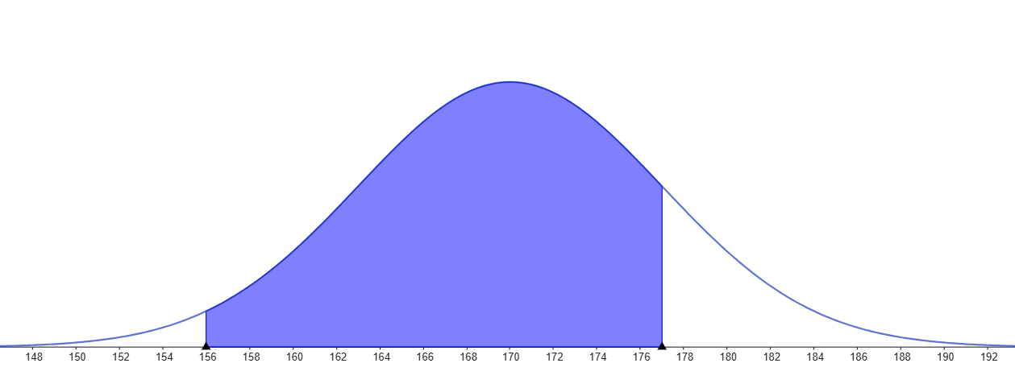

$\overline{X}\sim N(170, \frac{7}{\sqrt{16}}$)
e)

P(𝑋 ̅<173)= | 0.957

